Hiearchy View
CLASS: PULL STATION
an active fire protection device, usually wall-mounted, that, when activated, initiates an alarm on a fire alarm system. |  | 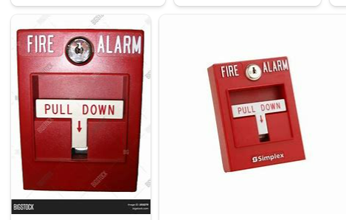
REMOVE | N

PROBLEM_DESC | CAUSE_DESC | REMEDY_DESC
ALARM/SENSOR
BROKEN/DAMAGED
LIGHTING
NOISE
OTHER PROBLEM
OVERHEATING
POWER-ELEC
STOPPED/SLOWED/POOR OPS
VIBRATION
Grand Total

